Sheet1
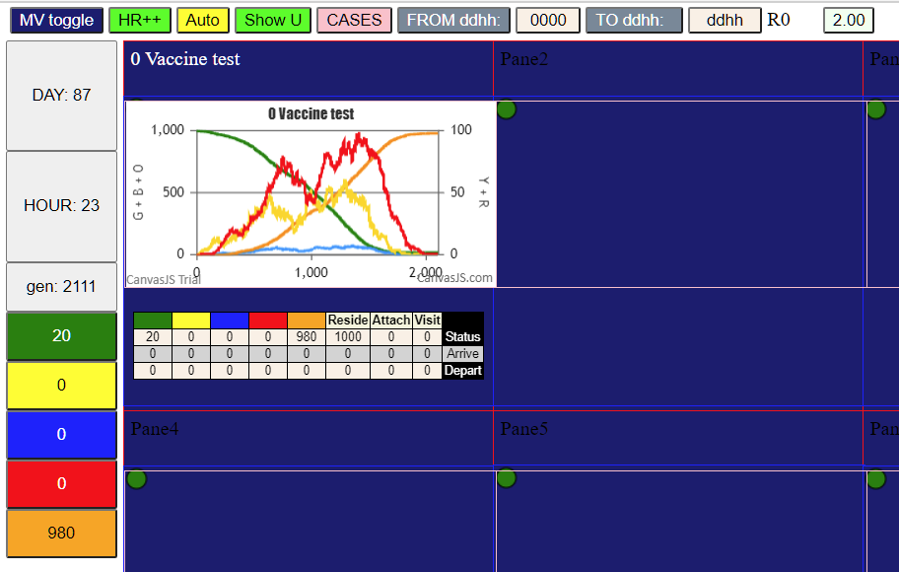
Notes:
This trial is being run with DUALvaxParam5, which uses the disjunctive model
From the NEJM article on Pfizer, we have adopted the following
 | D1 = dose 1 at 0 days
 | D2 = dose 2 at 21 days
 | D2+7 at 28 days is where full efficacy starts
LEVELS
 | D1 to D2 | 52% efficacy
 | D1 to endpoint (60 days after D2+7) |  |  |  | 82%
 | D2 to D2+7 |  | 90.50%
 | D2+7 to endpoint |  | 95%

We interpret levels disjunctively ie 52% efficacy means: |  |  |  |  |  | 1 - (vax attack rate/placebo attack rate)
 | where attack rate is |  | cases/cohort population

Efficacy | means that 52% of the population that would have been infected get 100% protection
 |  | 48% do not get protection

Effectiveness is what the actual results are when applied in the community
 | with intensity of epidemic, distancing, compliance etc taken into account

Here we start with efficacy

Our model of vaccine will be that
 | T.jab1 | VaxD |  | whenever Vax is given
 | T.eff1 | 0 |  | immediate
 | T.dec | 120
 | T.res | 180
 | Level.R | 25%

We do disjunctive vaccinsation by vaccinating portions of the cohort at different times
First, using Param4.csv, we run 1,000 age-neutral agents to termination and get all but 20 infected

 | The following were the numbers infected at D14, D21, Day 28 |  |  |  |  |  |  | run with vaccine program
 | at | D0 | D7 | D14 | D21 | D28 | T.res
 |  | 5 | 19 | 86 | 176 | rem
 | apply | 52% | 52% | 52.00% | 90.50% | 95%
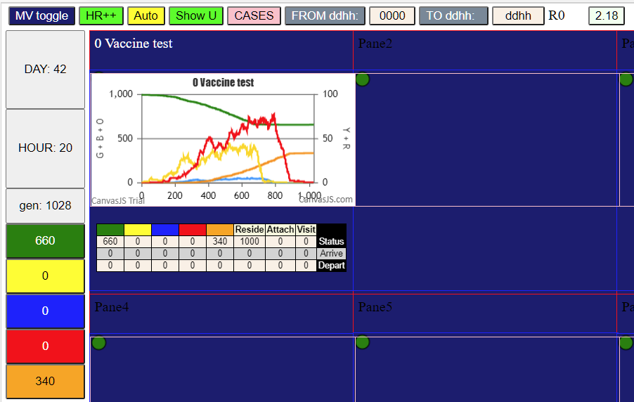
 | delta | 5 | 14 | 66 | 80 | 835
 | vax pop% | 0.3% | 0.70% | 3.50% | 7.50% | 83.5
 | vax abs | 3 | 7 | 33 | 75 | 835

OK, now to vaccinate

